Final
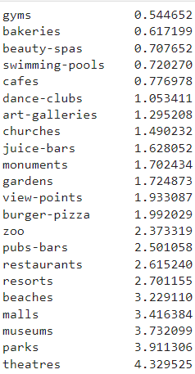
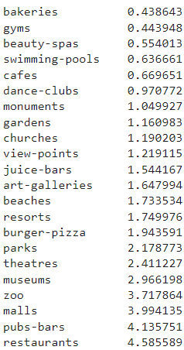
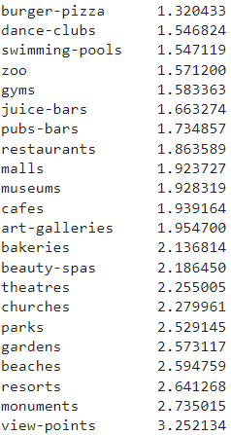
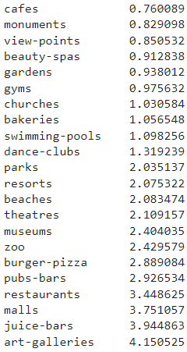
CLUSTER 1 | CLUSTER 2 | CLUSTER 3 | CLUSTER 4 |  | FINAL | Personality | Cluster | Cluster #
 |  |  |  | 1 | You fancy going to pubs, bars, restaurants while I can also enjoy shopping and going to organized attractions | FALSE | TRUE | 1
 |  |  |  | 2 | Try to attend without missing the best theatre shows in town | FALSE | TRUE | 2
 |  |  |  | 3 | You would be quite happy to enjoy a cafe or baked goods before heading to a beautiful view-point, church, monument or garden | FALSE | TRUE | 3
 |  |  |  | 4 | You are keen to discuss interpretations of creative pieces | FALSE | TRUE | 4
 |  |  |  | 5 | You spend most of your time off exploring different topics that interest you | TRUE | FALSE | N/A
 |  |  |  | 6 | You are a yogi even when the house is on fire | TRUE | FALSE | N/A
 |  |  |  | 7 | At a party you just talk to those you know instead of talking to new people | TRUE | FALSE | N/A
 |  |  |  | 8 | You enjoy creating lists and using organizing tools for every layer of your life | TRUE | FALSE | N/A
 |  |  |  | 9 | Having a vivid imagination is an everyday habit | TRUE | FALSE | N/A
 |  |  |  | 10 | Group activities are the best way to spend a weekend | TRUE | FALSE | N/A

 |  |  |  |  | Remarks:
 |  |  |  |  | If a user gives a not useful answer, default to cluster 3

You fancy going to pubs, bars, restaurants while I can also enjoy shopping and going to organized attractions | Try to attend without missing the best theatre shows in town | You would be quite happy to enjoy a cafe or baked goods before heading to a beautiful view-point, church, monument or garden | You are keen to discuss interpretations of creative pieces

Clusters Overview
